Sheet 1
5-Why Analysis
Created by: EAQA & Precision Motors BU/Mr. Maruyama, Mr. Heinrich & Mr. Muraoka
Issue date: 04.07.2017
Modified on: 27.07.2017

Top | Why1 | Why2 | Why3 | Why4 | Why5 | Why6 | Verification result | Judgment | Due Date for verification result
1.Concentricity (IT33) of OD38.01 based on datumA-B is out of specification | 1.1.Concentricity after molding is too high. | 1.1.1. Axis of datum A (sleeve ID) shift. | 1.1.1.1. Axis of center-jig shift during overmolding. | 1.1.1.1.1 There is gap between center-jig and tooling | 1.1.1.1.1.1. The tooling or center jig is worn out. | 1.1.1.1.1.1.1. Tools and center jigs are not subject of a maintenance plan. | Confirm matching between center jig and die. => Sheet (1) | No risk for this failure mode | 2017-07-28
 |  |  | 1.1.1.2. Axis of sleeve shift during overmolding. | 1.1.1.2.1. There is gap between center-jig and sleeve. | 1.1.1.2.1.1. The tooling or center jig is worn out. | 1.1.1.2.1.1.1. Tools and center jigs are not subject of a maintenance plan. | Confirm matching between center jig and sleeve ID. => Sheet (2) | No risk for this failure mode | 2017-07-28
 |  |  |  |  | 1.1.1.2.1.2. Different situation due to different cavities/tooling combinations |  | Confirm matching between center jig and sleeve ID. => Sheet (2) | No risk for this failure mode | 2017-07-28
 |  |  |  | 1.1.1.2.2. Sleeve does not push in horizontally during overmold. | 1.1.1.2.2.1. There can be either a dimension problem with the center jig , upper tool or lower tool. | 1.1.1.2.2.1.1. A temporary fixture for lower tool was used in the production to improve burr problem. | Confirm dimension of die for holding sleeve. => Sheet (3) | The upper limit of the regular base fixture is 0,06mm. But the temporary fixture used in the production in October 2016 is 0,15mm. This makes the sleeve bearings unstable in the concentricity (IT33) since the fixation between the fixture and sleeve bearings is not given any more. The dimension 0,05 had no tolerances displayed, therefore its importance was not realized. | 2017-07-28
 |  | 1.1.2 Axis of datum B (ID36.7) shift. | 1.1.2.1. Tooling dimensions of ID36.7 are out of specification. | 1.1.2.1.1.The tooling is worn out. | 1.1.2.1.1.1. Tool is not subject of a maintenance plan. |  | Confirm dimension of ID36.7 => Sheet (4) | No risk for this failure mode | 2017-07-28
 |  | 1.1.3 Axis of OD38.01 shift. | 1.1.3.1. Tooling dimensions of OD38.01 are out of specification. | 1.1.3.1.1. The tooling is worn out. | 1.1.3.1.1.1. Tool is not subject of a maintenance plan. |  | Confirm dimension of OD38.01 => Sheet (5) | No risk for this failure mode | 2017-07-28
 |  |  | 1.1.3.2. OD38.01 is deform by shrinking after overmold. | 1.1.3.2.1. Deformation comes from asymmetric structure of the ends of stator (one side has terminals, the other side not). | 1.1.3.2.1.1. Different shrinkage ratios on each side |  | Confirm outline of product. => Sheet (6) | Opposite of terminal side has larger shrinkage than terminal side It makes misalignment. But this come from basic construction. | 2017-07-28
 | 1.2. Concentricity turns higher after motor assembly | 1.2.1. Sleeve bearing is deformed when rotor is assembled | 1.2.1.1. When rotor is assembled, rotor shaft and stator axis are not centered. | 1.2.1.1.1. Alignment of fixture between rotor and stator does not match. |  |  | Confirm measurement data before and after motor assy | No risk for this failure mode | -
 |  | 1.2.2. Sleeve bearing is deformed by final tester. | 1.2.2.1. High friction torque between shaft and sleeve bearing makes wear of sleeve bearing. | 1.2.2.1.1. Shaft is slant. | 1.2.2.1.1.1. Axis of jig is not centered |  | Confirm measurement data before and after motor assy |  | -
 |  |  | 1.2.2.2. High load is added to sleeve bearing when rotor is releasing or locking. | 1.2.2.2.1. Shaft is slant | 1.2.2.2.1.1. Axis of jig does not match. |  | Confirm measurement data before and after motor assy |  | -
 | 1.3 Concentricity become high during transportation | 1.3.1 Dimension is changed by environment variation. And influence with concentricity. | 1.3.1.1. Dimension changes on plastic part due to temperature or humidity changes |  |  |  | According to the analysis results until now, there is no hint to support this theory. Only cav. 1 and 3 are mainly affected and others are OK. | No risk for this failure mode | -
 |  | 1.3.2 Deform by vibration or impact during transportation. |  |  |  |  | According to the analysis results until now, there is no hint to support this theory. Only cav. 1 and 3 are mainly affected and others are OK. | No risk for this failure mode | -
IT33
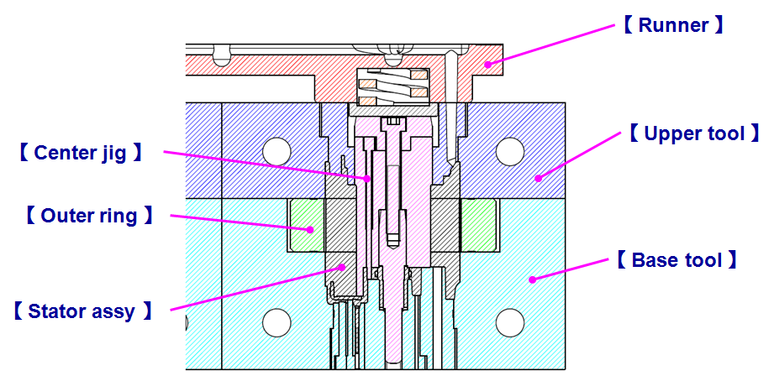
Tooling construction

(1)
 | Inspection Record

Tooling construction
A
B
ºC
ºC
Model : | BLIM4156S-A04
Part Name : | Stator overmold
Process Name : | Overmold
Date : | 20-Jul-17
Note : | (1) Confirm matching between center jig and die.
 | 中芯と金型合わせ部の寸法差確認

A : Between Center jig and Upper tool

【 Center jig 】
【 Upper tool 】
A-1
A-1
 |  | A-1 | CAV1 |  |  |  | CAV3
 |  | Characteristics : | Center jig A-1 | Upper tool A-1 | Delta | Judgement | Center jig A-1 | Upper tool A-1 | Delta | Judgement

 |  | Specification : | φ22.8 0/-0.005 | φ22.8 0.01/0 |  |  | φ22.8 0/-0.005 | φ22.8 0.01/0

 |  | Spec. unit : | mm | mm |  |  | mm | mm
 |  | USL : | 22.800 | 22.810 |  |  | 22.800 | 22.810
 |  | LSL : | 22.795 | 22.800 |  |  | 22.795 | 22.800
 |  | Measuring Equipment Name : | Micrometer | CMM |  |  | Micro meter | CMM
Item check no.
 |  | Sample no.
 |  | 1 | 22.796 | 22.809 |  |  | 22.796 | 22.808
 |  | 2 | 22.797 | 22.810 |  |  | 22.797 | 22.808
 |  | 3 | 22.800 | 22.810 |  |  | 22.800 | 22.810
 |  | 4 | 22.799 | 22.809 |  |  | 22.799 | 22.810
 |  | 5 | 22.799 | 22.808 |  |  | 22.799 | 22.809
 |  | 6 | 22.798 |  |  |  | 22.798

 |  | AVG | 22.798 | 22.809 | 0.011 | OK | 22.798 | 22.809 | 0.011 | OK
 |  | MAX. | 22.800 | 22.810 | 0.014 | OK | 22.800 | 22.810 | 0.014 | OK
 |  | MIN. | 22.796 | 22.808 | 0.008 | OK | 22.796 | 22.808 | 0.008 | OK
B : Between Center jig and Base tool

【 Center jig 】
【 Base tool 】
B-1
B-2
B-3
 |  | B-1 | CAV1 |  |  |  | CAV3
 |  | Characteristics : | Center jig B-1 | Base tool B-1 | Delta | Judgement | Center jig B-1 | Base tool B-1 | Delta | Judgement

B-1
B-2
B-3
 |  | Specification : | 3.076 0/-0.005 | 3.076 0.005/0 |  |  | 3.076 0/-0.005 | 3.076 0.005/0

 |  | Spec. unit : | mm | mm |  |  | mm | mm
 |  | USL : | 3.076 | 3.081 |  |  | 3.076 | 3.081
 |  | LSL : | 3.071 | 3.076 |  |  | 3.071 | 3.076
 |  | Measuring Equipment Name : | Smart scope | Smart scope |  |  | Smart scope | Smart scope
Item check no.
 |  | Sample no.
 |  | 1 | 3.072 | 3.078 |  |  | 3.072 | 3.081
 |  | 2 | 3.075 | 3.080 |  |  | 3.075 | 3.079
 |  | 3 | 3.076 |  |  |  | 3.076
 |  | 4 | 3.074 |  |  |  | 3.074
 |  | 5 | 3.074 |  |  |  | 3.074
 |  | 6 | 3.075 |  |  |  | 3.075

 |  | AVG | 3.074 | 3.079 | 0.005 | OK | 3.074 | 3.080 | 0.006 | OK
 |  | MAX. | 3.076 | 3.080 | 0.008 | OK | 3.076 | 3.081 | 0.009 | OK
 |  | MIN. | 3.072 | 3.078 | 0.002 | OK | 3.072 | 3.079 | 0.003 | OK

 |  | B-2 | CAV1 |  |  |  | CAV3
 |  | Characteristics : | Center jig B-2 | Base tool B-2 | Delta | Judgement | Center jig B-1 | Base tool B-1 | Delta | Judgement

 |  | Specification : | 5 0/-0.005 | 5 0.005/0 |  |  | 5 0/-0.005 | 5 0.005/0

 |  | Spec. unit : | mm | mm |  |  | mm | mm
 |  | USL : | 5.000 | 5.005 |  |  | 5.000 | 5.005
 |  | LSL : | 4.995 | 5.000 |  |  | 4.995 | 5.000
Item check no.
 |  | Measuring Equipment Name : | Micrometer | Smart scope |  |  | Micrometer | Smart scope
Item check no.
 |  | Sample no.
 |  | 1 | 4.996 | 5.002 |  |  | 4.996 | 5.004
 |  | 2 | 4.997 | 5.005 |  |  | 4.997 | 5.005
 |  | 3 | 4.998 |  |  |  | 4.998
 |  | 4 | 4.997 |  |  |  | 4.997
 |  | 5 | 4.987 |  |  |  | 4.987
 |  | 6 | 4.995 |  |  |  | 4.995

 |  | AVG | 4.995 | 5.004 | 0.008 | OK | 4.995 | 5.005 | 0.010 | OK
 |  | MAX. | 4.998 | 5.005 | 0.018 | OK | 4.998 | 5.005 | 0.018 | OK
 |  | MIN. | 4.987 | 5.002 | 0.004 | OK | 4.987 | 5.004 | 0.006 | OK

 |  | B-3 | CAV1 |  |  |  | CAV3
 |  | Characteristics : | Center jig B-3 | Base tool B-3 | Delta | Judgement | Center jig B-3 | Base tool B-3 | Delta | Judgement

 |  | Specification : | 3.6 0/-0.005 | 3.6 0.005/0 |  |  | 3.6 0/-0.005 | 3.6 0.005/0

 |  | Spec. unit : | mm | mm |  |  | mm | mm
 |  | USL : | 3.600 | 3.605 |  |  | 3.600 | 3.605
 |  | LSL : | 3.595 | 3.600 |  |  | 3.595 | 3.600
Item check no.
 |  | Measuring Equipment Name : | Smart scope | Smart scope |  |  | Smart scope | Smart scope
Item check no.
 |  | Sample no.
 |  | 1 | 3.596 | 3.605 |  |  | 3.596 | 3.605
 |  | 2 | 3.597 | 3.603 |  |  | 3.597 | 3.603
 |  | 3 | 3.598 |  |  |  | 3.598
 |  | 4 | 3.599 |  |  |  | 3.599
 |  | 5 | 3.597 |  |  |  | 3.597
 |  | 6 | 3.596 |  |  |  | 3.596

 |  | AVG | 3.597 | 3.604 | 0.007 | OK | 3.597 | 3.604 | 0.007 | OK
 |  | MAX. | 3.599 | 3.605 | 0.009 | OK | 3.599 | 3.605 | 0.009 | OK
 |  | MIN. | 3.596 | 3.603 | 0.004 | OK | 3.596 | 3.603 | 0.004 | OK

(2)
 | Inspection Record

Tooling construction
A
ºC
ºC
Model : | BLIM4156S-A04
Part Name : | Stator overmold
Process Name : | Overmold
Date : | 21-Jul-17
Note : | (2) Confirm matching between center jig and sleeve ID
 | 中芯とｽﾘｰﾌﾞ内径部の寸法確認

A : Between Center jig and Sleeve ID

【 Center jig 】
【 Sleeve ID 】
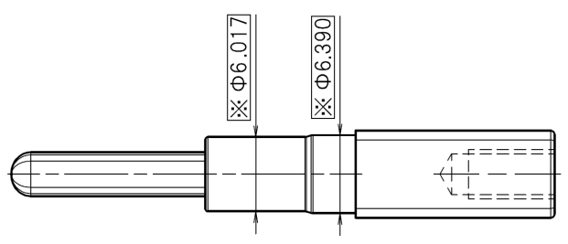
A-1
A-2
A-3
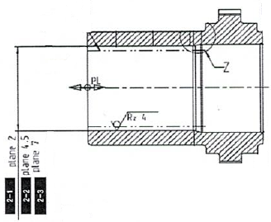
 |  | A-1 | CAV1 , CAV3
 |  | Characteristics : | Center jig A-1 | Sleeve ID A-1 | Delta | Judgement

 |  | Specification : | φ6.017 +/-0.002 | φ6 +0.021/+0.009

 |  | Spec. unit : | mm | mm
 |  | USL : | 6.019 | 6.021
 |  | LSL : | 6.015 | 6.009
 |  | Measuring Equipment Name : | Micrometer | CMM
Item check no.
 |  | Sample no.
 |  | 1 | 6.017 | 6.021
 |  | 2 | 6.019 | 6.019
 |  | 3 | 6.019 | 6.020
A-1 => L2
 |  | 4 | 6.018 | 6.021
 |  | 5 | 6.017 | 6.021
A-2 => L4.5
 |  | 6 | 6.017 | 6.020
 |  | 7 |  | 6.020
A-3 => L7
 |  | AVG | 6.018 | 6.020 | 0.002 | OK
 |  | MAX. | 6.019 | 6.021 | 0.004 | OK
 |  | MIN. | 6.017 | 6.019 | 0.000 | OK

 |  | A-2 | CAV1 , CAV3
 |  | Characteristics : | Center jig A-2 | Sleeve ID A-2 | Delta | Judgement

 |  | Specification : | φ6.017 +/-0.002 | φ6 +0.023/+0.011

 |  | Spec. unit : | mm | mm
 |  | USL : | 6.019 | 6.023
 |  | LSL : | 6.015 | 6.011
 |  | Measuring Equipment Name : | Micrometer | CMM
Item check no.
Item check no.
 |  | Sample no.
 |  | 1 | 6.018 | 6.021
 |  | 2 | 6.019 | 6.019
 |  | 3 | 6.018 | 6.022
 |  | 4 | 6.018 | 6.022
 |  | 5 | 6.016 | 6.023
 |  | 6 | 6.017 | 6.021
 |  | 7 |  | 6.023
 |  | AVG | 6.018 | 6.022 | 0.004 | OK
 |  | MAX. | 6.019 | 6.023 | 0.007 | OK
 |  | MIN. | 6.016 | 6.019 | 0.000 | OK

 |  | A-3 | CAV1 , CAV3
 |  | Characteristics : | Center jig A-3 | Sleeve ID A-3 | Delta | Judgement

 |  | Specification : | φ6.017 +/-0.002 | φ6 +0.026/+0.014

 |  | Spec. unit : | mm | mm
 |  | USL : | 6.019 | 6.026
 |  | LSL : | 6.015 | 6.014
Item check no.
 |  | Measuring Equipment Name : | Micrometer | CMM
Item check no.
Item check no.
 |  | Sample no.
 |  | 1 | 6.018 | 6.022
 |  | 2 | 6.018 | 6.022
 |  | 3 | 6.017 | 6.023
 |  | 4 | 6.018 | 6.026
 |  | 5 | 6.015 | 6.021
 |  | 6 | 6.017 | 6.023
 |  | 7 |  | 6.023
 |  | AVG | 6.017 | 6.023 | 0.006 | OK
 |  | MAX. | 6.018 | 6.026 | 0.011 | OK
 |  | MIN. | 6.015 | 6.021 | 0.003 | OK

(3)
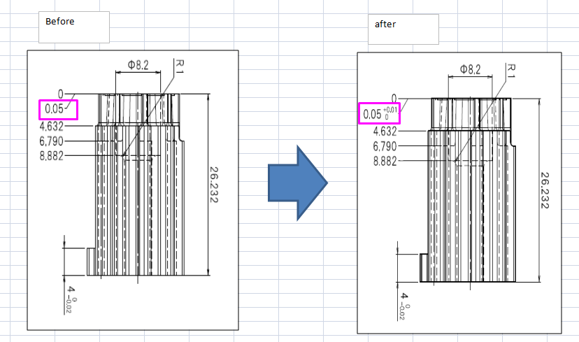
 | Inspection Record

Tooling construction
A
Model : | BLIM4156S-A04
Part Name : | Stator overmold
Process Name : | Overmold
Date : | 20-Jul-17
Note : | (3) Confirm dimension of die for holding sleeve.
 | ｽﾘｰﾌﾞ受け部の金型寸法確認

A : Between Base tool and Sleeve

【 Base tool 】
 |  | A-1 | CAV1 |  | CAV3
 |  | Characteristics : | Base tool A-1 | Judgement | Base tool A-1 | Judgement
A-2
 |  | Specification : | 26.232 +/-0.005 |  | 26.232 +/-0.005

 |  | Spec. unit : | mm |  | mm
 |  | USL : | 26.237 |  | 26.237
 |  | LSL : | 26.227 |  | 26.227
 |  | Measuring Equipment Name : | Micrometer |  | Micrometer
Item check no.
 |  | Sample no.
A-1
 |  | 1 | 26.233 |  | 26.230
 |  | 2 | 26.234 |  | 26.23
 |  | AVG | 26.234 | OK | 26.232 | OK
 |  | MAX. | 26.234 | OK | 26.233 | OK
 |  | MIN. | 26.233 | OK | 26.230 | OK

 |  | A-2 | CAV1 |  | CAV3
 |  | Characteristics : | Base tool A-2 | Judgement | Base tool A-2 | Judgement

 |  | Specification : | 0.05 +0.01/0 |  | 0.05 +0.01/0

 |  | Spec. unit : | mm |  | mm
 |  | USL : | 0.060 |  | 0.060
 |  | LSL : | 0.050 |  | 0.050
 |  | Measuring Equipment Name : | Digimatic |  | Digimatic
Item check no.
 |  | Sample no.
 |  | 1 | 0.052 |  | 0.056
 |  | 2 | 0.055 |  | 0.057
 |  | AVG | 0.054 | OK | 0.057 | OK
 |  | MAX. | 0.055 | OK | 0.057 | OK
 |  | MIN. | 0.052 | OK | 0.056 | OK

A-2 of temporary fixture used during NG lot had a tolerance of + 0.15mm. There is possibility that it makes loose fixation of sleeve bearing.
The tolerance level was not displayed on the tool drawing. Hence not controlled, please see below drawing valid during the production of the NG parts.

(4)
 | Inspection Record

Tooling construction
A
Model : | BLIM4156S-A04
Part Name : | Stator overmold
Process Name : | Overmold
Date : | 20-Jul-17
Note : | (4) Confirm dimension of ID36.7
 | 金型寸法の確認

A : Upper tool φ 36.7

【 Upper tool 】
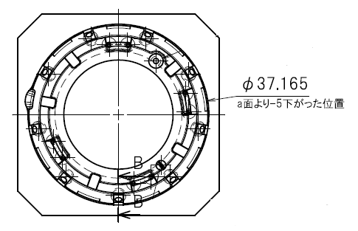
 |  | A-1 | CAV1 |  | CAV3
 |  | Characteristics : | Upper tool A-1 | Judgement | Upper tool A-1 | Judgement
A-1
 |  | Specification : | φ 37.165 +/-0.005 |  | φ 37.165 +/-0.005

 |  | Spec. unit : | mm |  | mm
 |  | USL : | 37.165 |  | 37.165
 |  | LSL : | 37.160 |  | 37.160
 |  | Measuring Equipment Name : | CMM |  | CMM
Item check no.
 |  | Sample no.
 |  | 1 | 37.163 | OK | 37.165 | OK

(5)
 | Inspection Record

Tooling construction
A
Model : | BLIM4156S-A04
Part Name : | Stator overmold
Process Name : | Overmold
Date : | 24-Jul-17
Note : | (5) Confirm dimension of OD38.01
 | 金型寸法の確認

A : Base tool φ 38.01

【 Base tool 】
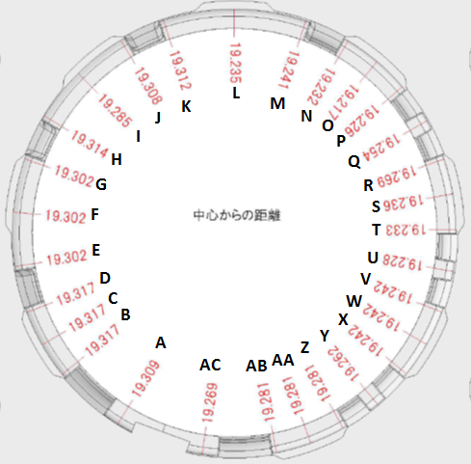
 |  |  | CAV1 |  |  |  | CAV3
 |  | Characteristics : | Base tool | Specification See left dwg, | Delta | Judgement | Base tool | Specification See left dwg, | Delta | Judgement

 |  | Specification : |  | +0.005/0 |  |  |  | +0.005/0

 |  | Spec. unit : | mm | mm |  |  | mm | mm
 |  | USL :
 |  | LSL :
 |  | Measuring Equipment Name : | CMM | - |  |  | CMM | -
Item check no.
Item check no.
 |  | Sample no.
 |  | A | 19.310 | 19.309 | 0.001 | OK | 19.309 | 19.309 | 0.000 | OK
 |  | B | 19.320 | 19.317 | 0.003 | OK | 19.322 | 19.317 | 0.005 | OK
 |  | C | 19.321 | 19.317 | 0.004 | OK | 19.320 | 19.317 | 0.003 | OK
 |  | D | 19.319 | 19.317 | 0.002 | OK | 19.319 | 19.317 | 0.002 | OK
 |  | E | 19.303 | 19.302 | 0.001 | OK | 19.305 | 19.302 | 0.003 | OK
 |  | F | 19.305 | 19.302 | 0.003 | OK | 19.304 | 19.302 | 0.002 | OK
 |  | G | 19.304 | 19.302 | 0.002 | OK | 19.303 | 19.302 | 0.001 | OK
 |  | H | 19.318 | 19.314 | 0.004 | OK | 19.319 | 19.314 | 0.005 | OK
 |  | I | 19.286 | 19.285 | 0.001 | OK | 19.288 | 19.285 | 0.003 | OK
 |  | J | 19.309 | 19.308 | 0.001 | OK | 19.309 | 19.308 | 0.001 | OK
 |  | K | 19.315 | 19.312 | 0.003 | OK | 19.315 | 19.312 | 0.003 | OK
 |  | L | 19.240 | 19.235 | 0.005 | OK | 19.237 | 19.235 | 0.002 | OK
 |  | M | 19.242 | 19.241 | 0.001 | OK | 19.241 | 19.241 | 0.000 | OK
 |  | N | 19.233 | 19.232 | 0.001 | OK | 19.236 | 19.232 | 0.004 | OK
 |  | O | 19.220 | 19.217 | 0.003 | OK | 19.218 | 19.217 | 0.001 | OK
 |  | P | 19.229 | 19.226 | 0.003 | OK | 19.229 | 19.226 | 0.003 | OK
 |  | Q | 19.255 | 19.254 | 0.001 | OK | 19.256 | 19.254 | 0.002 | OK
 |  | R | 19.273 | 19.269 | 0.004 | OK | 19.270 | 19.269 | 0.001 | OK
 |  | S | 19.237 | 19.236 | 0.001 | OK | 19.239 | 19.236 | 0.003 | OK
 |  | T | 19.234 | 19.233 | 0.001 | OK | 19.234 | 19.233 | 0.001 | OK
 |  | U | 19.231 | 19.228 | 0.003 | OK | 19.228 | 19.228 | 0.000 | OK
 |  | V | 19.243 | 19.242 | 0.001 | OK | 19.245 | 19.242 | 0.003 | OK
 |  | W | 19.244 | 19.242 | 0.002 | OK | 19.246 | 19.242 | 0.004 | OK
 |  | X | 19.242 | 19.242 | 0.000 | OK | 19.244 | 19.242 | 0.002 | OK
 |  | Y | 19.265 | 19.262 | 0.003 | OK | 19.263 | 19.262 | 0.001 | OK
 |  | Z | 19.283 | 19.281 | 0.002 | OK | 19.282 | 19.281 | 0.001 | OK
 |  | AA | 19.283 | 19.281 | 0.002 | OK | 19.281 | 19.281 | 0.000 | OK
 |  | AB | 19.281 | 19.281 | 0.000 | OK | 19.281 | 19.281 | 0.000 | OK
 |  | AC | 19.270 | 19.269 | 0.001 | OK | 19.272 | 19.269 | 0.003 | OK

(6)
 | Inspection Record

Model : | BLIM4156S-A04
Part Name : | Stator overmold
Process Name : | Overmold
Date : | 24-Jul-17
Note : | (6) Confirm deform of OD38.01

Opposite of
terminal side
No17 ~ No4

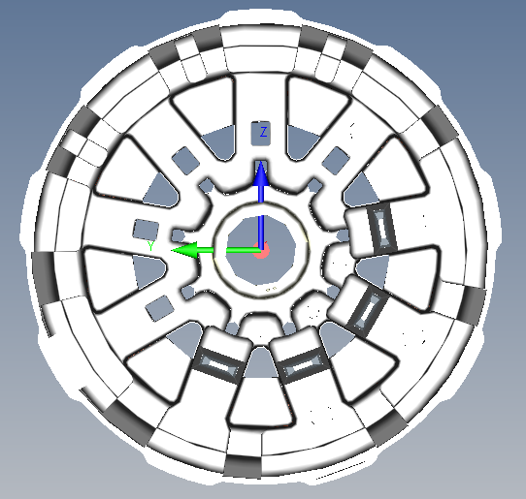
1
2,3,4
5,6,7
8,9,10
11,12,13
14,15,16
17 , 18
19,20,21
22
23,24,25
26
27,28,29
Z
Y
IT28 Roundness
 | CAV1 | CAV3
 | 8 | 26
 | 13 | 18
 | 25.5 | 26
 | 26.5 | 32
 | 61.5 | 63
 | 76 | 58
 | 96.5 | 78
 | 96.5 | 80
 | 101 | 74
 | 90.5 | 72
 | 99 | 83
 | 107 | 83
 | 103.5 | 89
 | 90 | 72
 | 80 | 58
 | 73.5 | 58
 | 46.5 | 28
 | 41 | 24
 | 47.5 | 35
 | 23.5 | 14
 | 4.5 | 3
 | -1.5 | -15
 | 5 | -3
 | 16 | 12
 | 9.5 | 13
 | -13 | 7
 | -9.5 | -8
 | 0 | -7
 | 22 | 14
Z
Y

Terminal side
No5 ~ No16

Center

Opposite of terminal side has larger shrinkage than terminal side
It makes misalignment. But this comes from basic construction.

